Hoja1
Tools | Search | Type | General Results | Filters | selected results | selection criteria | redirects to | Redirects Link | Redirect information
 | "HTT" | Text | 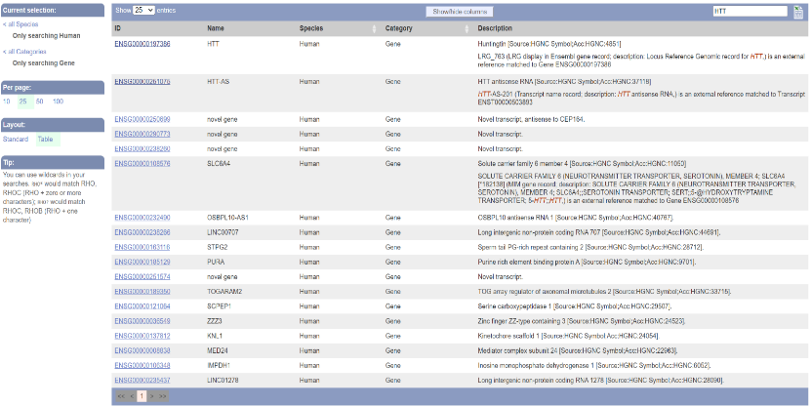 | "Human" and "Gene" | ENSG00000197386 | huntingtin protein coding gene | UniProt y RefSeq | https://www.ensembl.org/Homo_sapiens/Gene/Summary?db=core;g=ENSG00000197386;r=4:3041363-3243957 | Protein and trascript information
 | “Huntington disease” | Text | 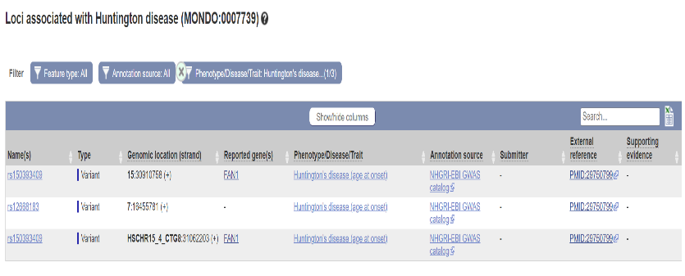 | “age at onset” | FAN1 | gene associated with HD juvenile | clinVar GWAS Catalog EuropePMC | https://www.ncbi.nlm.nih.gov/clinvar/variation/2177005/ https://www.ebi.ac.uk/gwas/variants/rs150393409 https://europepmc.org/article/MED/29750799 https://www.ensembl.org/Homo_sapiens/Variation/Citations?db=core;r=15:30910258-30911258;v=rs150393409;vdb=variation;vf=888248946 | clinVAR: clinical significance of genetic variants GWAS Catalog: association studies between variants and phenotypes EuropePMC: Publication database
 | Huntington's disease mHTT | Text | 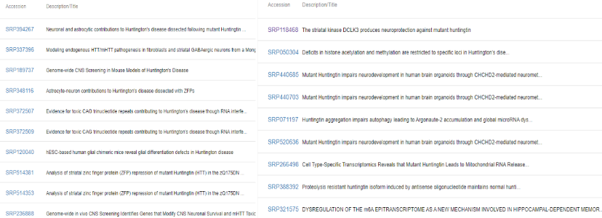 | Study | All
 | Huntington's disease age onset | Text | 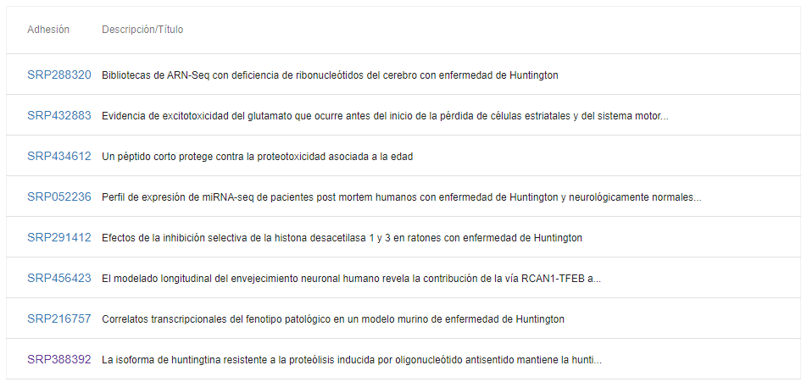 | Study | All
 | (TITLE:("Cis" OR "trans") AND "genetic modifiers" AND "huntington disease") AND (PUB_TYPE:REVIEW) AND (FIRST_PDATE:[2023 TO 2024]) | Text | 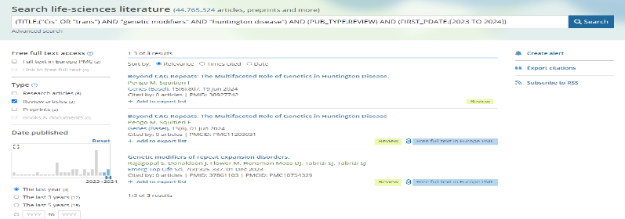 | TITLE, TYPE, DATE | (Rajagopal et al., 2023), (Pengo & Squitieri, 2024) | Review and 2023-2024
 | (ABSTRACT:"genetic modifiers" AND ABSTRACT:"huntington disease") AND (PUB_TYPE:"Review" OR PUB_TYPE:"review-article") | Text | 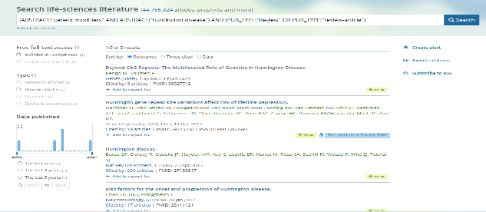 | ABSTRACT, TYPE | (Pengo & Squitieri, 2024), (Chao et al., 2017) | Review and review-article
 | Huntington disease AND FAN1 AND early AND juvenile AND (FIRST_PDATE:[2023 TO 2024]) | Text | 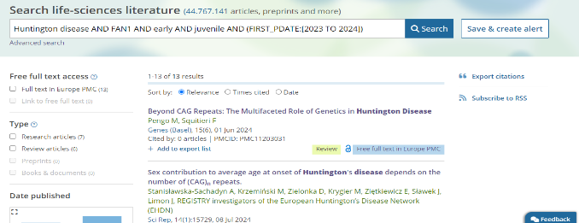 | DATE | (Pengo & Squitieri, 2024; McLean et al., 2024) | 2023-2024
 | ("Huntington disease" OR "HTTm") AND MSH3 AND early AND juvenile AND SNP AND (FIRST_PDATE:[2019 TO 2024]) | Text | 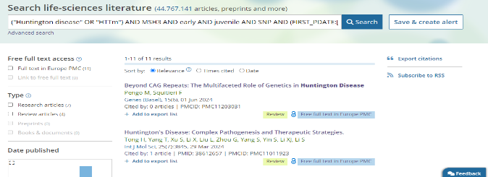 | DATE | (Tabrizi et al., 2022; Ferguson et al., 2024) | 2019-2024
 | (TEXT:"genetic modifiers" AND TEXT:"Huntington disease") AND (TEXT:"cis" OR TEXT:"trans") AND (PUB_TYPE:"Review" OR PUB_TYPE:"review-article") AND (FIRST_PDATE:[2021 TO 2024]) | Text | 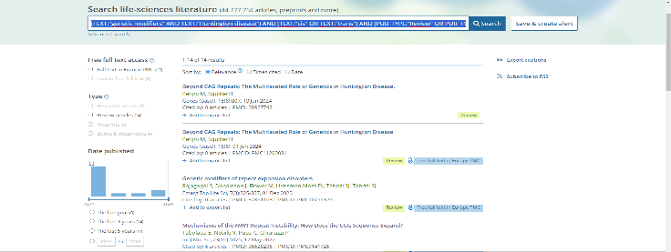 | TEXT, TYPE, DATE | (Hong et al., 2021), (Donaldson et al., 2021) | Review, review-article and 2021-2024
 | (Huntington disease OR mHTT) AND ("CAG repeats") AND ("age of onset" OR "onset age" OR "early onset") AND (sex OR gender OR male OR female OR "sex differences") AND ("genetic contribution" OR "sex contribution") AND (FIRST_PDATE:[2021 TO 2024]) | Text | 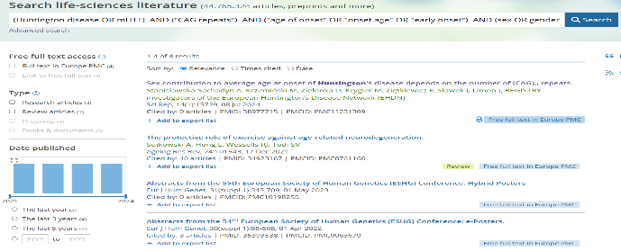 | DATE | (Stanisławska-Sachadyn et al., 2024) | 2021 - 2024
 | ("Huntington disease" OR "genetic disorders" OR "triplet repeat expansion") AND ("maternal contraction" OR "paternal expansion") AND ("oocytes" OR "spermatogenesis" OR "gamete development") AND ("CAG repeats" OR "repeat instability" OR "genetic inheritance") AND (FIRST_PDATE:[2021 TO 2024]) | Text | 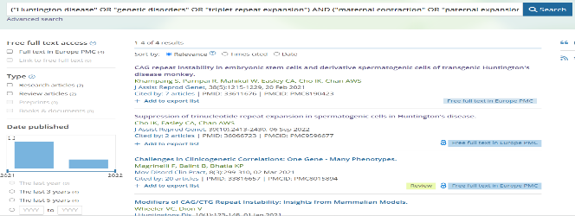 | DATE | (Khampang et al., n.d.) (Cho et al., 2022) | 2021 - 2024
 | ("Huntington disease" OR "neurodegenerative disease") AND ("estrogen" OR "17β-estradiol" OR "brain injury disorders") AND ("neuroprotection") AND ("female protection" OR "gender differences") NOT ("androgen" OR "Flavonoid-Rich" OR "congress" OR "poster" OR "annual") AND FIRST_PDATE:[2022 TO 2024] AND (PUB_TYPE:REVIEW) | Text | 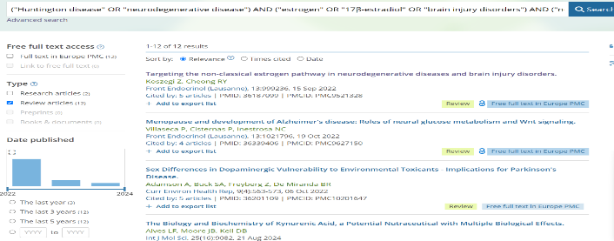 | DATE, TYPE | (Koszegi & Cheong, 2022) | Review and 2022 - 2024
 | (ABSTRACT:"epigenetic" OR ABSTRACT:"RNA" OR ABSTRACT:"non-coding RNA" OR ABSTRACT:"mtDNA" OR ABSTRACT:"nDNA" OR ABSTRACT:"mitochondrial DNA" OR ABSTRACT:"nuclear DNA") AND (ABSTRACT:"Huntington disease") AND (ABSTRACT:"disease progression" OR ABSTRACT:"severity") AND (PUB_TYPE:"Review" OR PUB_TYPE:"review-article") AND (FIRST_PDATE:[2021 TO 2024]) | Text |  | ABSTRACT, DATE, TYPE | Barbé, L., & Finkbeiner, S. (2022). | Review, 2021 - 2024
 | HAP40 | Text | 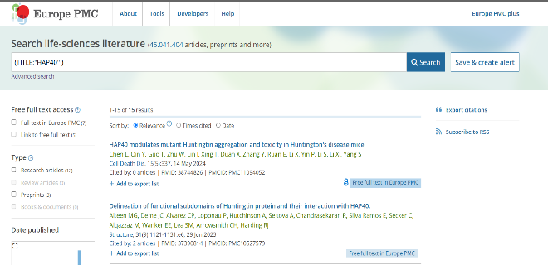 | TITLE | All
 | "Westphal disease" | Text | 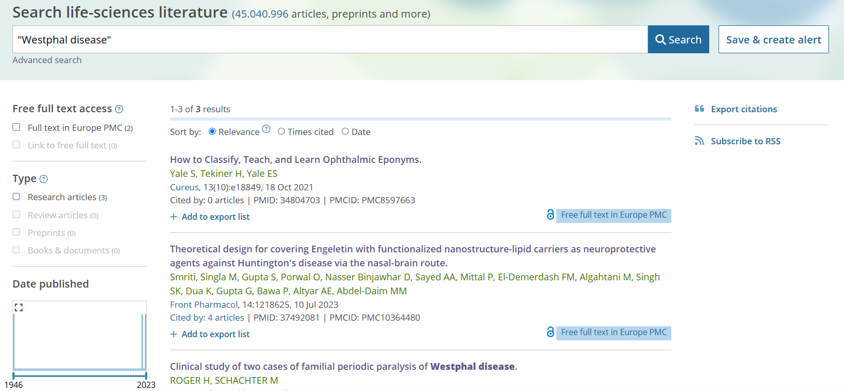 | NORQ | None | Relevant
 | LOMARS | Text |  | NORQ | (Jung et al., 2021), (Van Raamsdonk et al., 2023). | Relevant
 | 12:111452214-111599673 | Variant Browser |  | Organism and Chromosomal location | All | Human/ GRCh38
 | 15:30903852-30943108 | Variant Browser |  | Organism and Chromosomal location | All | Human/ GRCh38
 | rs3512, rs34017474, rs150393409, rs151322829 | Variant Browser |  | Organism and Variant ID | All | Human/ GRCh37
 | “Huntingtin” “HTT” | Gene / Gene properties |  | Express level, organ | HDBR experiments, “A Multiregional Proteomic Survey of the Postnatal Human Brain” | High, basal ganglion
 | “Huntingtin” “HTT” | Gene / Gene properties |  | disease
 | “fan1” | Gene / Gene properties |  | Express level | HDBR experiments | High
 | “fan1” | Gene / Gene properties |  | disease
 | "Huntington" | Differential experiments |  |  |  | Most relevant
 | ENSG00000197386 | UniProtKB |  | Reviewed (Swiss-Prot) | P42858 (HD_HUMAN)
 | HIP1R | UniProtKB |  | Reviewed (Swiss-Prot) | 75146
 | P42858 | PDBe-KB |  | Publication date, relevance and resolution | 8VLX | 2024, 2.6 Å
 | P42858 | PDBe-KB |  | Publication date, relevance and resolution | 7DXK | 2024, 2.6 Å
 | Q9Y2M0 | PDBe-KB | 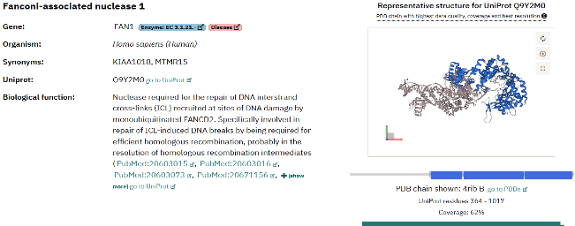 | Publication date, relevance and resolution | 4REC | 2024, 2.4 Å
InterPro | FAN1 | Text |  | "- Homo sapiens - complete protein" | Q9Y2M0 | more complete protein | UniProt | https://www.uniprot.org/uniprotkb/Q9Y2M0/variant-viewer | Variants
 |  |  |  |  |  |  | AlpahaFold | https://alphafold.ebi.ac.uk/entry/Q9Y2M0 | Model
 | MSH3 | Text |  | "- Homo sapiens - complete protein" | A0A590UKC9 | more complete protein | UniProt | https://www.uniprot.org/uniprotkb/A0A590UKC9/variant-viewer | Variants
 |  |  |  |  |  |  | AlpahaFold | https://alphafold.ebi.ac.uk/entry/A0A590UKC9 | Model
 | HTT | Text |  | "- Homo sapiens - complete protein" |  | more complete protein | UniProt | https://www.uniprot.org/uniprotkb/P42858/variant-viewer | Variants
 |  |  |  |  |  |  | AlpahaFold |  | Model
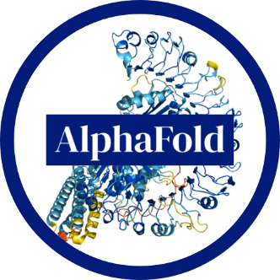 | FAn1 | Text

